CMS-L400
 |  | ASC20352~355 | _FOC Spare Parts Request
2020-12-17
Order No.: ASC20352~355 Model No.: CMS-L450 * 4CONT (280PCS) ($373.5*280*2%=$2,091)
NO | PART NAME | PART NAME(korean) | IMAGE | QTY(PCS) | Price(USD) | Total
1 | PCB, Main, L450 | PCB, 메인, L450 | 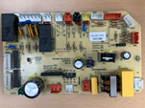 | 3 | $15.18 | $45.54
2 | PCB, Remocon, L450 | PCB, 리모컨, L450 | 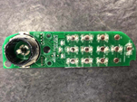 PCB, 리모컨, L400 | 15 | $8.67 | $130.05
3 | Remocon, L450 | 리모컨, L450 | 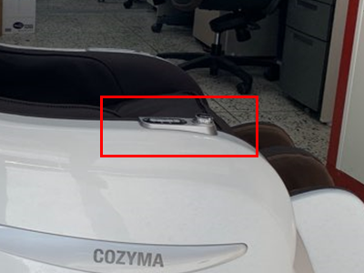 | 10 | $16.40 | $164.00
4 | Massage Wheel Assy with Motor, L450 | 마사지 휠 어셈블리, L450 | 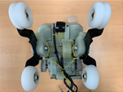 | 3 | $68.79 | $206.37
5 | Cushion Frame Assy, Backrest, L450 | 속천, 등, L450 |  | 3 | $6.96 | $20.88
6 | Cable Assy with Connector, Backrest, L450 | 케이블, 등, 하네스, L450 |  | 3 | $7.33 | $21.99
7 | Pad, Pillow, L450 | 패드, 베개, L450 | 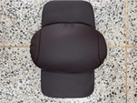 | 5 | $10.02 | $50.10
8 | Pad, Back, L450 | 패드, 등, L450 | 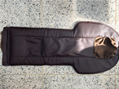 | 5 | $22.58 | $112.90
9 | Side Board, L, L450 | 옆판, L, L450 | 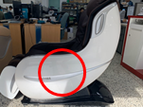 | 5 | $32.63 | $163.15
10 | Side Board, R, L450 | 옆판, R, L450 | 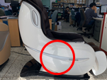 | 5 | $30.04 | $150.20
11 | Legrest, L450 | 다리부 유닛, L450 | 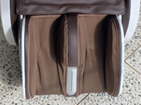 | 3 | $74.01 | $222.03
12 | Side Inner Board , L, L450 | 옆판 (안) 좌, L450 |  | 15 | $28.15 | $422.25
13 | Side Inner Board ,R, L450 | 옆판 (안) 우, L450 |  | 15 | $24.33 | $364.95
14 | Inner Cloth Cover, Calves, L450 | 속천, 종아리, 좌우세트, L450 | 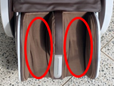 | 5 | $4.62 | $23.10
 |  |  |  | 95 |  | $2,097.51

